ICAEW
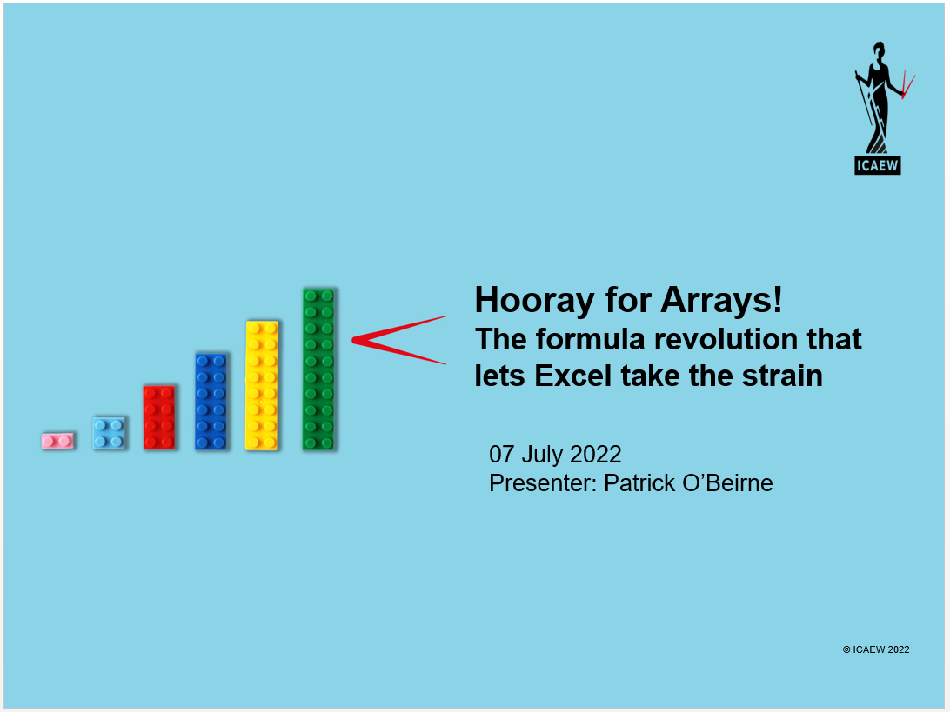

Excel 2013
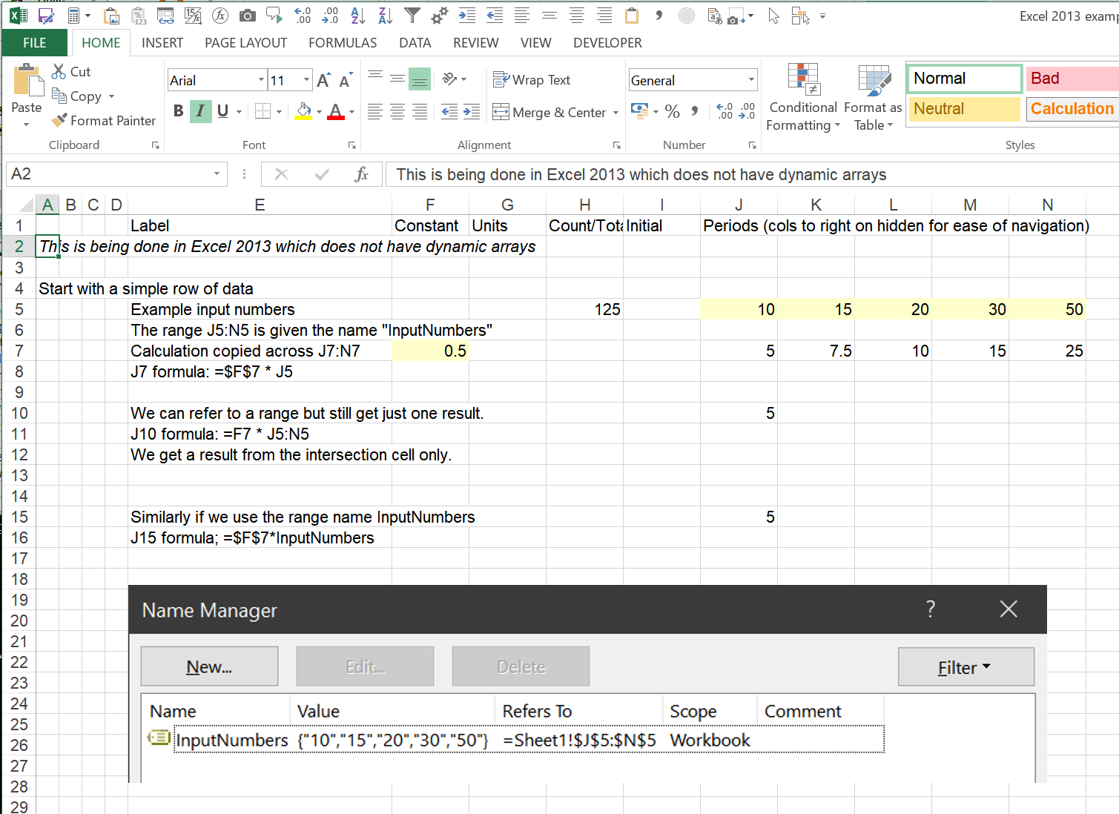

Charts
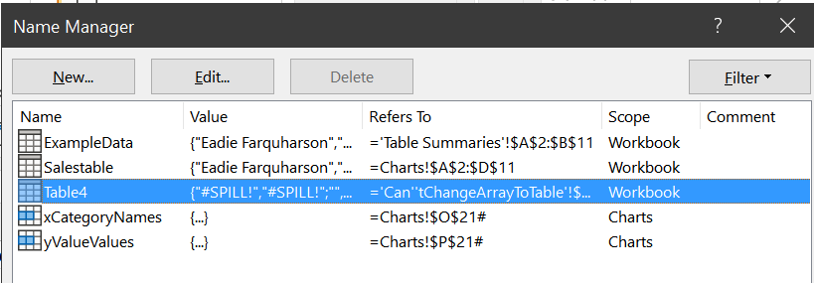
Name | Dept | Qty | Value | The table on this sheet is named 'SalesTable'
Eadie Farquharson | DeptF | 3 | 15 |  |  | =SERIES(Charts!$D$1,Charts!$A$2:$A$11,Charts!$D$2:$D$11,1)
Charlie Davis | DeptD | 2 | 11
Value from Table
Eadie Farquharson | DeptF | 1 | 11
Abie Baker | DeptB | 5 | 20
Eadie Farquharson | DeptF | 2 | 11
Abie Baker | DeptB | 3 | 18
Abie Baker | DeptB | 2 | 14
Abie Baker | DeptB | 1 | 10
Charlie Davis | DeptD | 2 | 13
Abie Baker | DeptB | 2 | 12

 |  |  |  |  | Excel automatically updates charts from data tables;
 |  |  |  |  | but not from dynamic arrays. Jon Peltier shows a workaround.

Qty from array formula
Name | Dept | Qty | Value |  |  |  | X Category name | Y Value value | xCategoryNames | yValueValues
Eadie Farquharson | DeptF | 3 | 15 |  |  |  | Eadie Farquharson | 15 | Eadie Farquharson | 15
Charlie Davis | DeptD | 2 | 11 |  |  |  | Charlie Davis | 11 | Charlie Davis | 11
Eadie Farquharson | DeptF | 1 | 11 |  |  |  | Eadie Farquharson | 11 | Eadie Farquharson | 11
Abie Baker | DeptB | 5 | 20 |  |  |  | Abie Baker | 20 | Abie Baker | 20
Eadie Farquharson | DeptF | 2 | 11 |  |  |  | Eadie Farquharson | 11 | Eadie Farquharson | 11
Abie Baker | DeptB | 3 | 18 |  |  |  | Abie Baker | 18 | Abie Baker | 18
Abie Baker | DeptB | 2 | 14 |  |  |  | Abie Baker | 14 | Abie Baker | 14
Abie Baker | DeptB | 1 | 10 |  |  |  | Abie Baker | 10 | Abie Baker | 10
Charlie Davis | DeptD | 2 | 13 |  |  |  | Charlie Davis | 13 | Charlie Davis | 13
Abie Baker | DeptB | 2 | 12 |  |  |  | Abie Baker | 12 | Abie Baker | 12

 | Y Value value
Eadie Farquharson | 15
Charlie Davis | 11
Eadie Farquharson | 11
Abie Baker | 20
Eadie Farquharson | 11
Abie Baker | 18
Abie Baker | 14
Abie Baker | 10
Charlie Davis | 13
Abie Baker | 12
 |  |  |  |  |  |  | =SERIES(Charts!$P$20,Charts!$O$21:$O$30,Charts!$P$21:$P$30,1)
 |  |  |  |  |  |  | Thanks to Jon Peltier
 |  |  |  |  |  |  | https://peltiertech.com/dynamic-charts-using-dynamic-arrays/

 |  |  |  |  |  |  | =SERIES(Charts!$P$20,Charts!xCategoryNames,Charts!yValueValues,1)

Can'tChangeArrayToTable
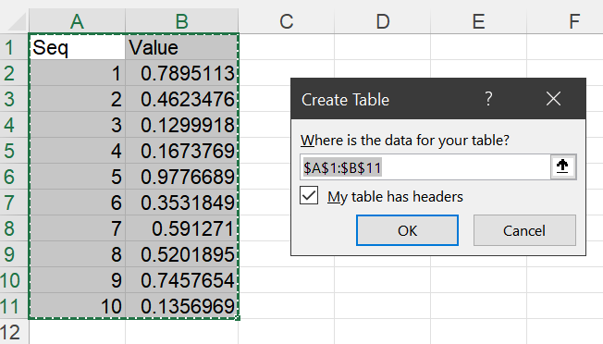
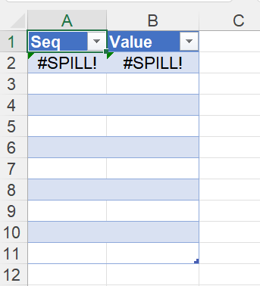
Seq | Value | We cannot change a range of arrays to a Table; a Table cannot hold dynamic functions
1 | 0.90672597803
2 | 0.87546570845
3 | 0.76083737933
4 | 0.39968385735
5 | 0.66163019374
6 | 0.9000753699
7 | 0.27661523296
8 | 0.12708745294
9 | 0.66327088321
10 | 0.60581431713

The Future
There are upcoming functions such as TEXTSPLIT, HSTACK and VSTACK.

Not in the current channel version 16.0 of Excel

From Microsoft.com:
TEXTSPLIT() example:
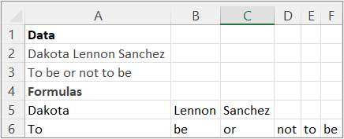

Also coming in future releases:
(Office Insider Beta only)
Windows: 2203 (Build 15104)
Mac: 16.60 (220304)
=TEXTBEFORE(text,delimiter,[instance_num], [match_mode], [match_end], [if_not_found])
= TEXTAFTER(text,delimiter,[instance_num], [match_mode], [match_end], [if_not_found])

=HSTACK(array1,[array2],...) | Appends arrays horizontally and in sequence to return a larger array.
=VSTACK(array1,[array2],...) | Appends arrays vertically and in sequence to return a larger array.

