Images classic
Images classic
Table 1 |  |  |  |  |  |  |  | Table 2 (lookup table)
Choose date | Free type image | Choose | Choose # | Free type | Formula | Choose | Free type image

Date | Animal icon | Name | Sightings | Location | Species | Spotter gender | Gender icon | Name | Family | Image | Old Excel
3-Dec-18 |  | Mouse | 4 | Found in the house | Mammal | Male |  | Chicken | Bird
4-Nov-18 |  | Rabbit | 3 | Outside | Mammal | Female |  | Dog | Mammal
18-Nov-18 |  | Duck | 5 | Mekong river | Bird | Male |  | Duck | Bird
14-Jan-19 |  | Dog | 2 | Unknown | Mammal | Male |  | Mouse | Mammal
4-Oct-18 |  | Chicken | 6 | Outside | Bird | Female |  | Rabbit | Mammal
30-Aug-18 |  | Mouse | 3 | By the kitchen | Mammal | Female
3-Aug-18 |  | Mouse | 13 | Large family in street | Mammal | Male
12-Dec-18 |  | Duck | 1 | In lake | Bird | Female

Filtering with objects
 | 1. Demo filter lookup table & see difference between red icons and orange ones
 | 2. Use go to special to select all objects, then right click one> Properties> move & size with cells
 | 3. Select all images in column, format> align > align center, then repeat with distribute vertically

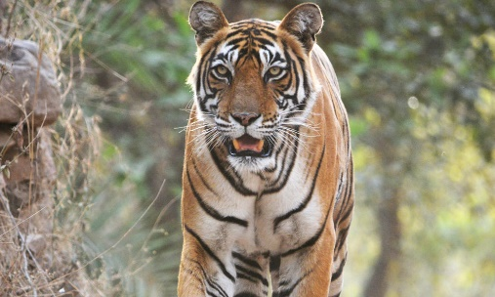
Using icons
 | 4. Add gender icons to table 1 & make blue/pink
 | 5. Change size of all so they fit in cells
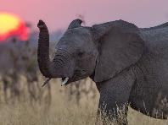
Picture format tools
 | 6. Select the elephant picture and format> bring forward> bring to font
 | 7. Select the elephant picture and format> transparency & set
 | 8. Click elephant> Format> compress pictures> untick "apply only to this picture"> OK

Images
Images

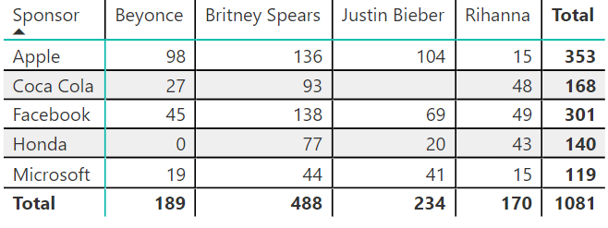
Link | Filter | Formula
https://fm.cnbc.com/applications/cnbc.com/resources/img/editorial/2017/11/03/104819285-thor.530x298.jpg?v=1509730606 |  | =IMAGE(A5) |  |  |  | =IMAGE(A7,,1)
https://static.independent.co.uk/s3fs-public/styles/article_small/public/thumbnails/image/2018/01/11/09/black-widow-2.jpg |  | =IMAGE(A6,"Black widow")
https://img1.looper.com/img/gallery/rumor-report-is-marvel-really-making-captain-america-4/intro-1571140919.jpg |  | =IMAGE(A7,,1)
https://www.youtube.com/channel/UClSY1Zpzy0qKZ-hcRnIxg-Q |  | =IMAGE("https://chart.googleapis.com/chart?chs=300x300&cht=qr&chl="&A8)
https://twitter.com/DaveBenaim |  |  |  |  |  |  |  |  | Row Labels
https://www.linkedin.com/in/davebenaim/ |  |  |  |  |  |  |  |  | Black widow
 |  |  |  |  |  |  |  |  | Image
 |  |  | Sponsor | Beyonce | Britney Spears | Justin Bieber | Rihanna | Total | Grand Total
 |  |  | Apple | 98 | 136 | 104 | 15 | 353
 |  |  | Coca Cola | 27 | 93 |  | 48 | 168
 |  |  | Facebook | 45 | 138 | 69 | 49 | 301
 |  |  | Honda | 0 | 77 | 20 | 43 | 140
 |  |  | Microsoft | 19 | 44 | 41 | 15 | 119
 |  |  | Total | 189 | 488 | 234 | 170 | 1081

