PQ Overview
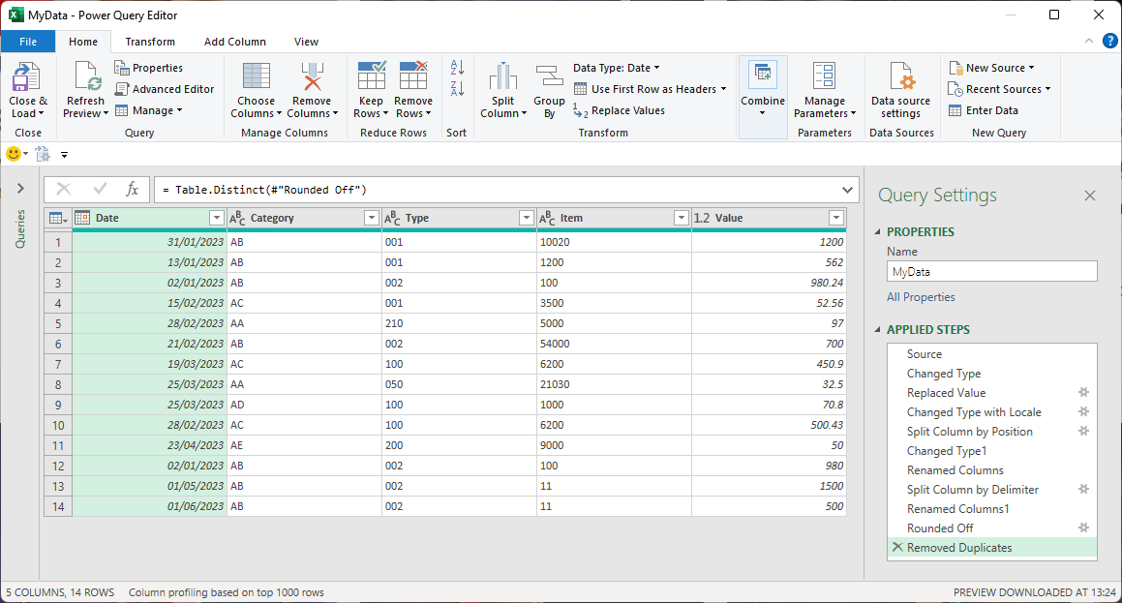
Why Power Query can change your life
Background
From optional add-in to default
Not just external data
Automation tool
First resort
Refresh
Data preparation
From data to dashboard
Dynamic Array comparison
Solving the insoluble
Breaking out of cells

