Cover
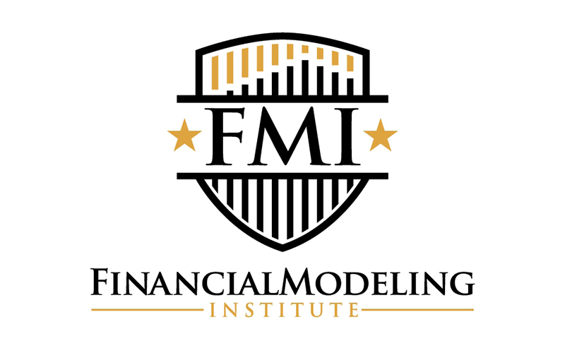
 | FINANCIAL MODELING INSTITUTE

 | LEVEL 1: ADVANCED FINANCIAL MODELER (AFM)

Henderson Manufacturing
2024-10-11

Sample Exam Solution - Vertical Orientation
This model is designed to given an indication of what a successful candidate may produce during the 4-hour AFM exam.

