Countries
# | Country | Region | Population
1 | Abkhazia | Asia | 245,424
2 | Afghanistan | Asia | 32,890,171
Run Population x2 Script
3 | Åland islands | Europe | 30,344
4 | Albania | Europe | 2,829,741
5 | Algeria | Africa | 45,400,000
6 | American Samoa (United States) | Oceania | 49,710
7 | Andorra | Europe | 79,535
8 | Angola | Africa | 32,097,671
9 | Anguilla (United Kingdom) | North America | 15,000
10 | Antigua and Barbuda | East America | 99,337
11 | Argentina | South America | 45,808,747
12 | Armenia | Asia | 2,963,900
13 | Aruba (Netherlands) | North America | 111,050
14 | Australia | Oceania | 25,987,786
15 | Austria | Europe | 8,979,894
16 | Azerbaijan | Asia | 10,156,366
17 | Bahamas | North America | 393,450
18 | Bahrain | Asia | 1,501,635
19 | Bangladesh | Asia | 172,613,924
20 | Barbados | North America | 288,000
21 | Belarus | Europe | 9,349,645
22 | Belgium | Europe | 11,624,483
23 | Belize | North America | 430,191
24 | Benin | Africa | 12,506,347
25 | Bermuda (United Kingdom) | North America | 64,055
26 | Bhutan | Asia | 756,129
27 | Bolivia | South America | 11,797,257
28 | Bosnia and Herzegovina | Europe | 3,320,954
29 | Botswana | Africa | 2,410,338
30 | Brazil | South America | 214,555,200
31 | British Virgin Islands (United Kingdom) | North America | 30,000
32 | Brunei | Asia | 429,999
33 | Bulgaria | Europe | 6,520,314
34 | Burkina Faso | Africa | 21,510,181
35 | Burundi | Africa | 12,574,571
36 | Cambodia | Asia | 15,552,211
37 | Cameroon | Africa | 24,348,251
38 | Canada | North America | 38,663,651
39 | Cabo Verde | Africa | 563,198
40 | Cayman Islands (United Kingdom) | North America | 65,786
41 | Central African Republic | Africa | 5,633,412
42 | Chad | Africa | 16,818,391
43 | Chile | South America | 19,678,363
44 | China | Asia | 1,412,600,000
45 | Christmas Island (Australia) | Oceania | 1,966
46 | Cocos (Keeling) Islands (Australia) | Oceania | 573
47 | Colombia | South America | 51,049,498
48 | Comoros | Africa | 758,316
49 | Congo | Africa | 5,657,000
50 | Cook Islands (New Zealand) | Oceania | 15,342
51 | Costa Rica | North America | 5,163,038
52 | Croatia | Europe | 3,888,529
53 | Cuba | North America | 11,181,595
54 | Curaçao (Netherlands) | South America | 153,671
55 | Cyprus | Asia | 888,005
56 | Czech Republic | Europe | 10,524,167
57 | Denmark | Europe | 5,873,420
58 | Djibouti | Africa | 976,107
59 | Dominica | North America | 72,000
60 | Dominican Republic | North America | 10,535,535
61 | DR Congo | Africa | 92,378,000
62 | East Timor | Asia | 1,317,780
63 | Ecuador | South America | 17,966,428
64 | Egypt | Africa | 103,212,965
65 | El Salvador | North America | 6,825,935
66 | Equatorial Guinea | Africa | 1,505,588
67 | Eritrea | Africa | 3,601,000
68 | Estonia | Europe | 1,330,068
69 | Eswatini | Africa | 1,172,000
70 | Ethiopia | Africa | 117,876,000
71 | Falkland Islands (United Kingdom) | South America | 4,000
72 | Faroe Islands (Denmark) | Europe | 53,792
73 | Fiji | Oceania | 898,402
74 | Finland | Europe | 5,519,255
75 | France | Europe | 67,827,000
76 | French Polynesia (France) | Oceania | 279,890
77 | Gabon | Africa | 2,233,272
78 | Gambia | Africa | 2,487,000
79 | Georgia | Asia | 3,728,573
80 | Germany | Europe | 83,222,442
81 | Ghana | Africa | 30,832,019
82 | Gibraltar (United Kingdom) | Europe | 34,000
83 | Greece | Europe | 10,678,632
84 | Greenland (Denmark) | North America | 56,562
85 | Grenada | North America | 113,000
86 | Guam (United States) | Oceania | 153,836
87 | Guatemala | North America | 17,109,746
88 | Guernsey (British Crown Dependency) | Europe | 63,124
89 | Guinea | Africa | 12,907,395
90 | Guinea-Bissau | Africa | 1,646,077
91 | Guyana | South America | 743,699
92 | Haiti | North America | 11,743,017
93 | Honduras | North America | 9,546,178
94 | Hong Kong (China) | Asia | 7,403,100
95 | Hungary | Europe | 9,689,000
96 | Iceland | Europe | 377,280
97 | India | Asia | 1,375,666,400
98 | Indonesia | Asia | 272,248,500
99 | Iran | Asia | 85,388,126
100 | Iraq | Asia | 41,190,700
101 | Ireland | Europe | 5,011,500
102 | Isle of Man (British Crown Dependency) | Europe | 84,069
103 | Israel | Asia | 9,507,740
104 | Italy | Europe | 58,952,787
105 | Ivory Coast | Africa | 27,087,732
106 | Jamaica | North America | 2,734,093
107 | Japan | Asia | 125,502,000
108 | Jersey (British Crown Dependency) | Europe | 107,800
109 | Jordan | Asia | 11,195,292
110 | Kazakhstan | Asia | 19,209,792
111 | Kenya | Africa | 47,564,296
112 | Kiribati | Oceania | 120,740
113 | Kosovo | Europe | 1,782,115
114 | Kuwait | Asia | 4,670,713
115 | Kyrgyzstan | Asia | 6,700,000
116 | Laos | Asia | 7,337,783
117 | Latvia | Europe | 1,874,900
118 | Lebanon | Asia | 6,769,000
119 | Lesotho | Africa | 2,159,000
120 | Liberia | Africa | 4,661,010
121 | Libya | Africa | 6,959,000
122 | Liechtenstein | Europe | 39,315
123 | Lithuania | Europe | 2,794,961
124 | Luxembourg | Europe | 645,397
125 | Macau (China) | Asia | 682,300
126 | Madagascar | Africa | 26,923,353
127 | Malawi | Africa | 18,898,441
128 | Malaysia | Asia | 32,711,600
129 | Maldives | Asia | 383,135
130 | Mali | Africa | 20,856,000
131 | Malta | Europe | 514,564
132 | Marshall Islands | Oceania | 54,516
133 | Mauritania | Africa | 4,271,197
134 | Mauritius | Africa | 1,266,334
135 | Mexico | North America | 127,996,051
136 | Micronesia | Oceania | 105,754
137 | Moldova | Europe | 2,597,100
138 | Monaco | Europe | 38,350
139 | Mongolia | Asia | 3,434,171
140 | Montenegro | Europe | 621,306
141 | Montserrat (United Kingdom) | North America | 5,000
142 | Morocco | Africa | 36,583,785
143 | Mozambique | Africa | 30,832,244
144 | Myanmar | Asia | 55,294,979
145 | Namibia | Africa | 2,550,226
146 | Nauru | Oceania | 11,832
147 | Nepal | Asia | 29,192,480
148 | Netherlands | Europe | 17,714,931
149 | New Caledonia (France) | Oceania | 273,674
150 | New Zealand | Oceania | 5,137,062
151 | Nicaragua | North America | 6,595,674
152 | Niger | Africa | 24,112,753
153 | Nigeria | Africa | 211,400,708
154 | Niue (New Zealand) | Oceania | 1,549
155 | Norfolk Island (Australia) | Oceania | 1,734
156 | North Korea | Asia | 25,660,000
157 | North Macedonia | Europe | 1,832,696
158 | Northern Cyprus | Asia | 382,230
159 | Northern Mariana Islands (United States) | Oceania | 47,329
160 | Norway | Europe | 5,425,270
161 | Oman | Asia | 4,527,446
162 | Pakistan | Asia | 225,199,937
163 | Palau | Oceania | 17,957
164 | Palestine | Asia | 5,227,193
165 | Panama | North America | 4,278,500
166 | Papua New Guinea | Oceania | 9,122,994
167 | Paraguay | South America | 7,353,038
168 | Peru | South America | 33,035,304
169 | Philippines | Asia | 111,802,933
170 | Pitcairn Islands (United Kingdom) | Oceania | 40
171 | Poland | Europe | 38,057,000
172 | Portugal | Europe | 10,347,892
173 | Puerto Rico (United States) | North America | 3,285,874
174 | Qatar | Asia | 2,799,202
175 | Republic of Artsakh | Asia | 148,900
176 | Romania | Europe | 19,186,201
177 | Russia | Europe | 145,478,097
178 | Rwanda | Africa | 12,955,768
179 | Saint Barthélemy (France) | North America | 10,289
180 | Saint Helena, Ascension and Tristan da Cunha (United Kingdom) | Africa | 6,000
181 | Saint Kitts and Nevis | North America | 54,000
182 | Saint Lucia | North America | 178,696
183 | Saint Martin (France) | North America | 32,489
184 | Saint Pierre and Miquelon (France) | North America | 5,974
185 | Saint Vincent and the Grenadines | North America | 110,696
186 | Samoa | Oceania | 199,853
187 | San Marino | Europe | 33,685
188 | São Tomé and Príncipe | Africa | 214,610
189 | Saudi Arabia | Asia | 35,013,414
190 | Senegal | Africa | 17,223,497
191 | Serbia | Europe | 6,871,547
192 | Seychelles | Africa | 99,202
193 | Sierra Leone | Africa | 8,297,882
194 | Singapore | Asia | 5,453,600
195 | Sint Maarten (Netherlands) | North America | 42,577
196 | Slovakia | Europe | 5,434,712
197 | Slovenia | Europe | 2,108,977
198 | Solomon Islands | Oceania | 728,041
199 | Somalia | Africa | 16,360,000
200 | South Africa | Africa | 60,142,978
201 | South Korea | Asia | 51,610,695
202 | South Ossetia | Asia | 53,532
203 | South Sudan | Africa | 13,249,924
204 | Spain | Europe | 47,326,687
205 | Sri Lanka | Asia | 22,156,000
206 | Sudan | Africa | 44,379,930
207 | Suriname | South America | 598,000
208 | Sweden | Europe | 10,462,498
209 | Switzerland | Europe | 8,736,500
210 | Syria | Asia | 18,276,000
211 | Taiwan | Asia | 23,359,000
212 | Tajikistan | Asia | 9,506,000
213 | Tanzania | Africa | 59,441,988
214 | Thailand | Asia | 66,780,780
215 | Togo | Africa | 7,886,000
216 | Tokelau (New Zealand) | Oceania | 1,501
217 | Tonga | Oceania | 99,532
218 | Transnistria | Europe | 306,000
219 | Trinidad and Tobago | South America | 1,367,558
220 | Tunisia | Africa | 11,746,695
221 | Turkey | Asia | 84,680,273
222 | Turkmenistan | Asia | 6,118,000
223 | Turks and Caicos Islands (United Kingdom) | North America | 44,542
224 | Tuvalu | Oceania | 10,679
225 | U.S. Virgin Islands (United States) | North America | 87,146
226 | Uganda | Africa | 42,885,900
227 | Ukraine | Europe | 41,130,432
228 | United Arab Emirates | Asia | 9,282,410
229 | United Kingdom | Europe | 67,081,000
230 | United States | North America | 332,643,642
231 | Uruguay | South America | 3,554,915
232 | Uzbekistan | Asia | 35,505,500
233 | Vanuatu | Oceania | 301,295
234 | Vatican City | Europe | 825
235 | Venezuela | South America | 28,705,000
236 | Vietnam | Asia | 98,505,400
237 | Wallis and Futuna (France) | Oceania | 11,369
238 | Western Sahara | Africa | 612,000
239 | Yemen | Asia | 30,491,000
240 | Zambia | Africa | 18,400,556
241 | Zimbabwe | Africa | 15,790,716

Pivot from Data Model
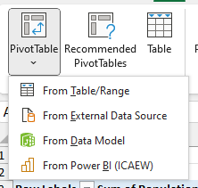
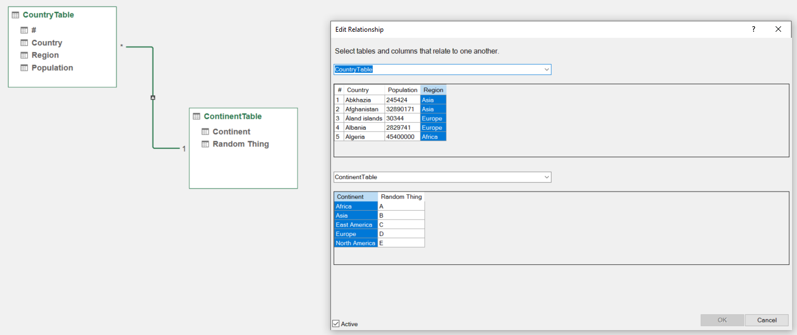
Row Labels | Sum of Population
A | 1346924824
B | 4622671373
C | 99337
D | 744414733
E | 590513032
F | 43634956
G | 436370678
Grand Total | 7784628933

