Traffic Lights
Management Accounts for April 202X
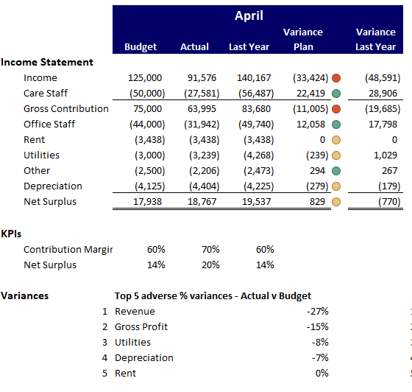
 |  |  |  |  | April
 |  |  | Budget | Actual | Last Year | Variance Plan |  | Variance Last Year
Income Statement
 | Income |  | 125,000 | 91,576 | 140,167 | (33,424) | (27) | (48,591)
 | Care Staff |  | (50,000) | (27,581) | (56,487) | 22,419 | 45 | 28,906
 | Gross Contribution |  | 75,000 | 63,995 | 83,680 | (11,005) | (15) | (19,685)
 | Office Staff |  | (44,000) | (31,942) | (49,740) | 12,058 | 27 | 17,798
 | Rent |  | (3,438) | (3,438) | (3,438) | 0 | 0 | 0
 | Utilities |  | (3,000) | (3,239) | (4,268) | (239) | (8) | 1,029
 | Other |  | (2,500) | (2,206) | (2,473) | 294 | 12 | 267
 | Depreciation |  | (4,125) | (4,404) | (4,225) | (279) | (7) | (179)
 | Net Surplus |  | 17,938 | 18,767 | 19,537 | 829 | 5 | (770)

KPIs
 | Contribution Margin |  | 60% | 70% | 60%
 | Net Surplus |  | 14% | 20% | 14%

Variances |  |  | Top 5 adverse % variances - Actual v Budget
 |  | 1 | Gross Contribution |  |  | (15)
 |  | 2 | Utilities |  |  | (8)
 |  | 3 | Depreciation |  |  | (7)
 |  | 4 | Rent |  |  | 0
 |  | 5 | Net Surplus |  |  | 5

