Data from Picture
Management Accounts for April 202X April |  |  |  | Variance Plan | Variance Last Year
Income Statement | Budget | Actual | Last Year
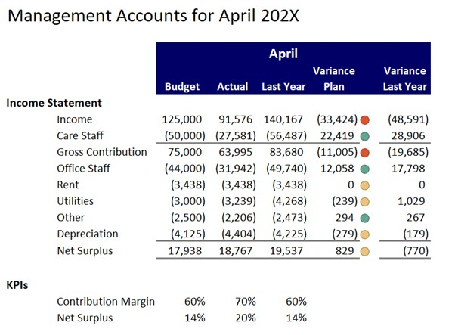
Income | 125,000 | 91,576 | 140,167 | -33,424 | -48,591
Care Staff | -50,000 | -27,581 | -56,487 | 22,419 | 28,906
Gross Contribution | 75,000 | 63,995 | 83,680 | -11,005 | -19,685
Office Staff | -44,000 | -31,942 | -49,740 | 12,058 | 17,798
Rent | -3,438 | -3,438 | -3,438 | 0 | 0
Utilities | -3,000 | -3,239 | -4,268 | -239 | 1,029
Other | -2,500 | -2,206 | -2,473 | 294 | 267
Depreciation | -4,125 | -4,404 | -4,225 | -279 | -179
Net Surplus | 17,938 | 18,767 | 19,537 | 829 | -770
KP1s Contribution Margin | 60% | 70% | 60%
Net Surplus | 14% | 20% | 14%

