ShowValues
"How can highlight within a tab all cells with values. I know it’s possible for formulas."
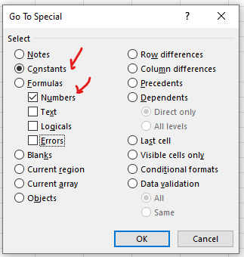

 | RandomNumbers |  |  |  |  | Possible solutions
 | From | (5,000) |  |  |  | Find and select> Go to special > Constants > Numbers --->
 | To | 50,001 |  |  |  | Isnumber/Isformula (shown below)
 |  |  |  |  |  | Conditional formatting (using the "is hard typed value formula" adapted for the number range in question). I've done the whole column so it references B1. If you restricted the conditional formatting area to the current numbers then it would need to reference B10.
 | My random numbers |  | Is number? | Is Formula | Is hardtyped value? | CTRL + ¬ to view formulae (button to left of 1)
 | 1,390 |  | TRUE | TRUE | FALSE
 | 38,834 |  | TRUE | TRUE | FALSE
 | 2,984 |  | TRUE | TRUE | FALSE
 | 43,654 |  | TRUE | TRUE | FALSE
 | (887) |  | TRUE | FALSE | TRUE
 | (3,214) |  | TRUE | FALSE | TRUE
 | (4,754) |  | TRUE | FALSE | TRUE
 | 1,458 |  | TRUE | FALSE | TRUE
 | 12,535 |  | TRUE | TRUE | FALSE
 | 9,861 |  | TRUE | TRUE | FALSE
 | 3,082 |  | TRUE | TRUE | FALSE
 | 21,132 |  | TRUE | TRUE | FALSE
 | 26,688 |  | TRUE | TRUE | FALSE
 | 16,700 |  | TRUE | TRUE | FALSE
 | 16,110 |  | TRUE | TRUE | FALSE
 | 16,366 |  | TRUE | TRUE | FALSE
 | 6,847 |  | TRUE | TRUE | FALSE
 | 4,048 |  | TRUE | TRUE | FALSE
 | 17,469 |  | TRUE | TRUE | FALSE
 | 16,486 |  | TRUE | TRUE | FALSE
 | 40,852 |  | TRUE | TRUE | FALSE
 | 34,769 |  | TRUE | TRUE | FALSE
 | 7,354 |  | TRUE | TRUE | FALSE

