17
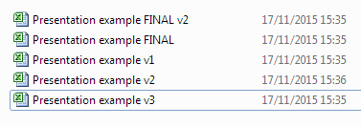
Have a system of backup and version control, which should be applied consistently within an organisation.

Outside of the cells of the spreadsheet, there are plenty of important things to consider.
For example, is your organisation wasting time figuring out which version of a file is the most recent or combining different versions?
If so, it's important to set a standard for how version control will be done.

A horror story

Which of these files is the most recent one?

